Trading Success
SIGNAL |  | TRADE SETUP |  | LEVERAGE THE TRADES |  |  |  | How to trigger longs and shorts in sync with BTC

Signals | 90 | Trade capital | $10,000 | Leverage | 10 | 25 | 50 |  | RSI
Wins | 70 | Risk / Reward | 2022-01-01 | Profit $ | $100,000 | $250,000 | $500,000 |  | MACD
Loss | 20 | Profit / Loss % | 2%
 |  | Total Loses | $4,000 | Hours in Day | Ave 10 trades pd |  |  |  | BTC RSI | COIN RSI
Win % | 77.78% | Total profits | $14,000 | 24 | 0.2666666667 |  |  |  | 10 min | 5 Min
Loss % | 22.22% | Net Profit | $10,000 |  |  |  |  | Trade 1
 |  |  |  |  |  |  |  | Trade 2
 |  |  |  |  |  |  |  | Trade 3
SIGNAL |  | TRADE SETUP |  | LEVERAGE THE TRADES |  |  |  | Trade 4
 |  |  |  |  |  |  |  | Trade 5
Signals | 100 | Trade capital | $10,000 | Leverage | 10 | 25 | 50 | Trade 6
Wins | 55 | Risk / Reward | 2022-01-01 | Profit $ | $20,000 | $50,000 | $100,000 | Trade 7
Loss | 45 | Profit / Loss % | 2% |  |  |  |  | Trade 8
 |  | Total Loses | $9,000 |  |  |  |  | Trade 9
Win % | 55.00% | Total profits | $11,000 |  |  |  |  | Trade 10
Loss % | 45.00% | Net Profit | $2,000

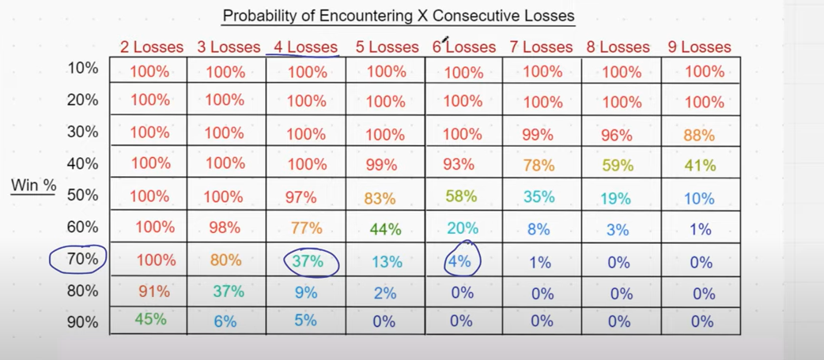
SIGNAL |  | TRADE SETUP |  | LEVERAGE THE TRADES

Signals | 11 | Trade capital | $5,000 | Leverage | 2 | 10 | 25
Wins | 6 | Risk / Reward | 2022-01-01 | Profit $ | $150 | $750 | $1,875
Loss | 5 | Profit / Loss % | 1.5% |  |  |  |  |  | mean (of differences) |  | #REF! | Total P&L | #REF!
 |  | Total Loses | $375 | 30 | $4,500 | $22,500 | $56,250 |  | std deviation (of differences) |  | #REF!
Win % | 54.55% | Total profits | $450 |  |  |  |  |  | Sharpe Ratio |  | #REF!
Loss % | 45.45% | Net Profit | $75

POSSIBLE UI IDEAS
